Sheet1
Yiwu Jianya children's products
此报价为义乌交货价，不含税不含点 The price quoted is ex Yiwu, excluding tax and points |  |  |  |  |  |  |  |  |  |  |  |  | 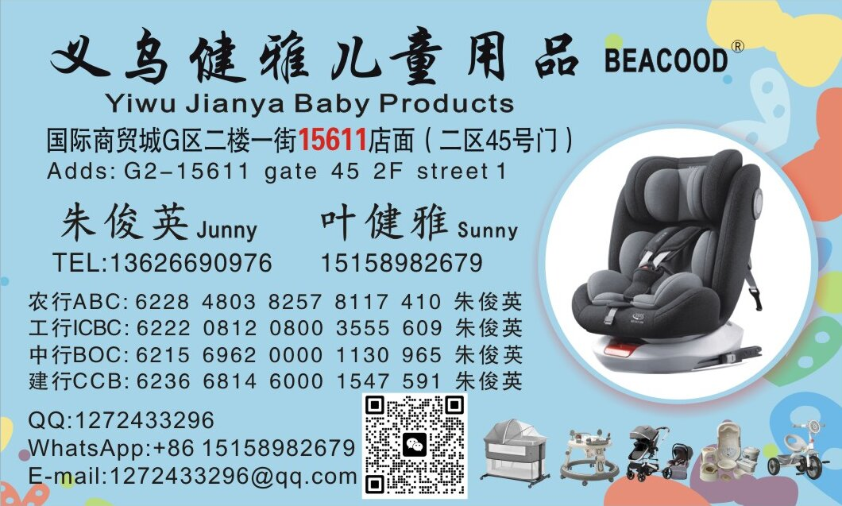
如需开箱贴小标签、挂吊卡，每个产品另加1元人工费 If you need to open the box and attach small labels and hanging cards, each product will be charged 1 RMB
Address: Store 15611, Gate 45, Second Floor, First Street, Yiwu International Trade City |  |  |  |  |  |  |  |  | SUNNY |  | JUNNY
TEL: 15158982679 SUNNY 13626690976 JUNNY |  |  |  | WHATS APP:+86 1518982679
Article No. | Picture | QTY | PRICE | MEAS/CBM |  |  | N.W | G.W | Group | Size | Description描述 | MOQ | Color |  |  |  |  | Note
902 | 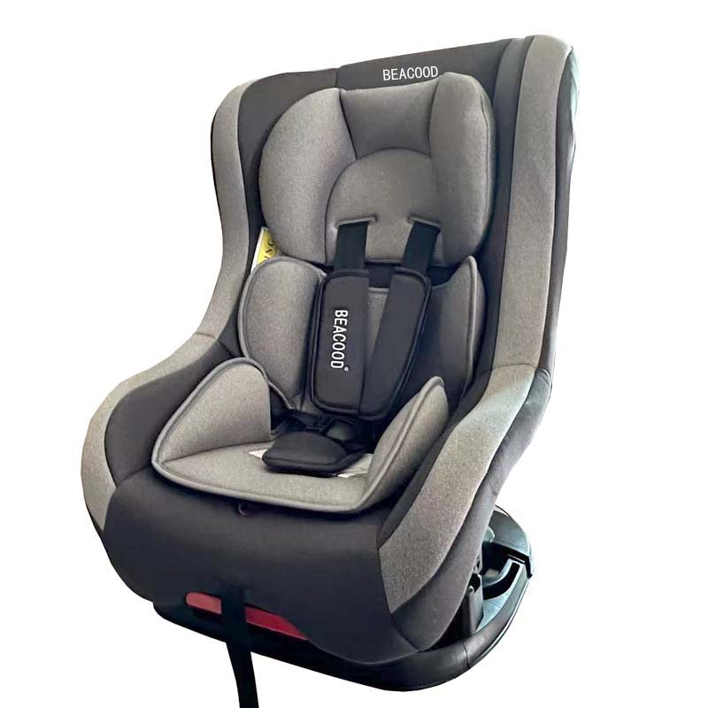 | 2 PCS | 160 | 46 | 44 | 88 | 7.9 | 9.8 | 0+,I,II | 40X43X61 | 3个安全带插槽，可调节以适应儿童身高,五点式安全带，可躺可坐，通用车型安全带固定 | 20 CTN | 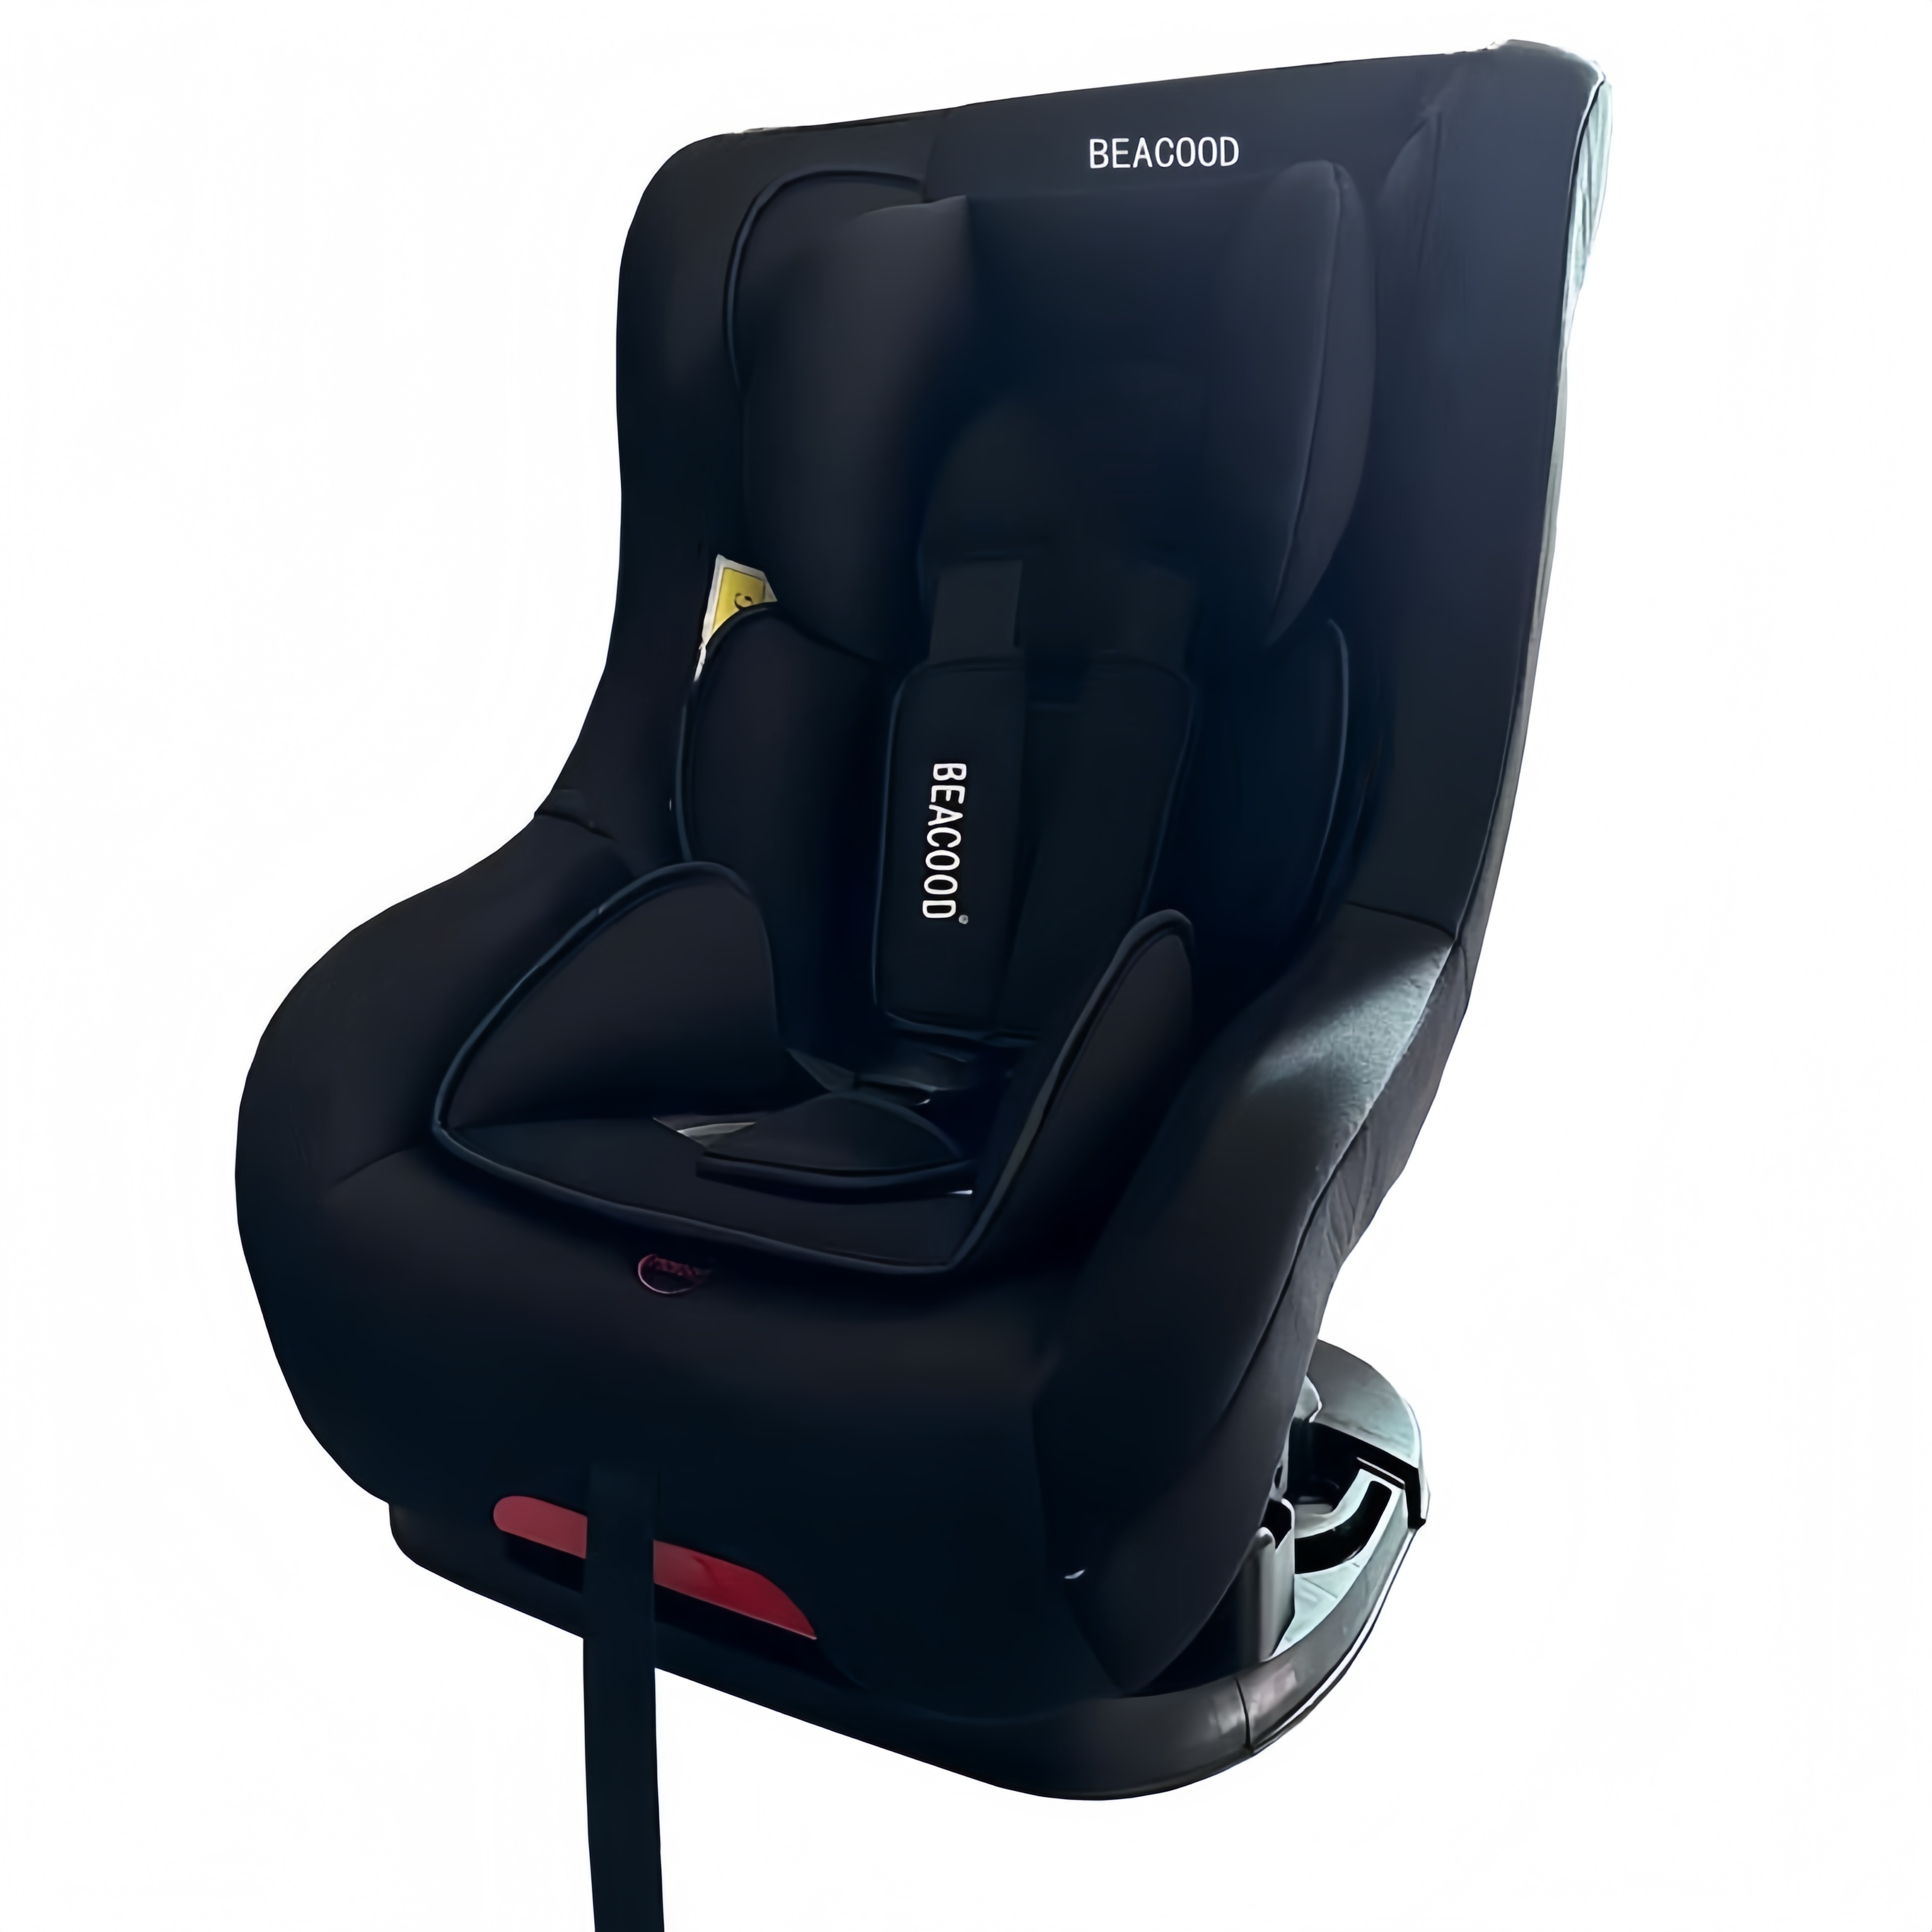 | 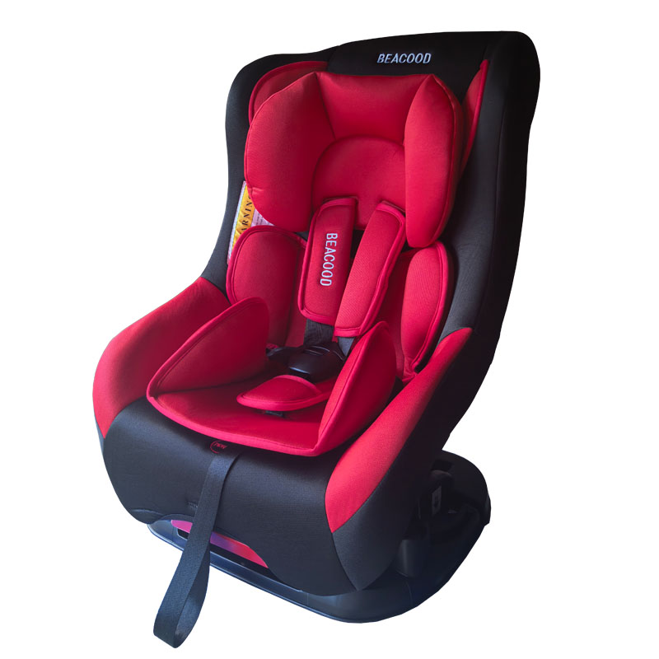 |  | 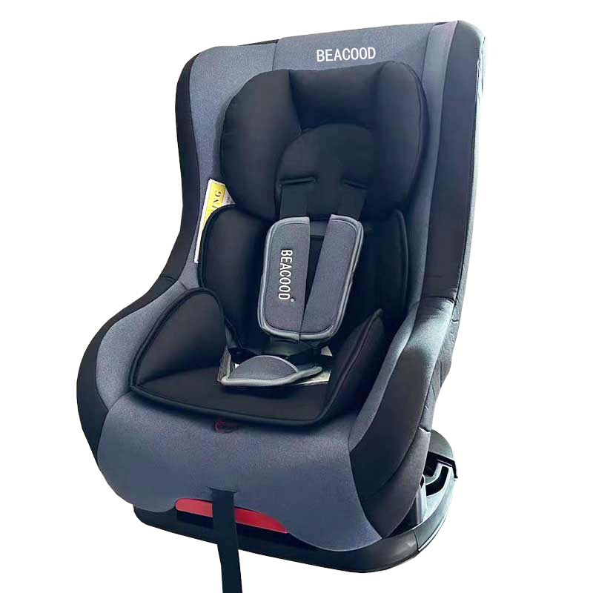 |  | 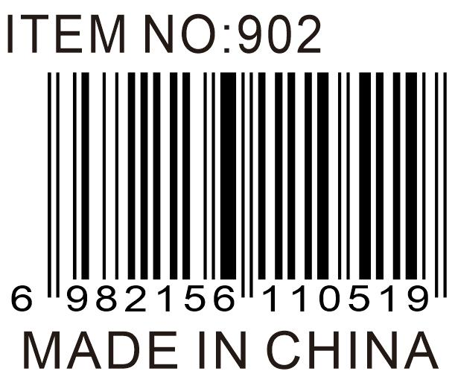
 |  |  |  | 0.178112 |  |  |  |  |  |  | 3 safety belt slots, adjustable to fit the height of children, five-point seat belt, can be laid or seated, universal vehicle seat belt fastener
902 Mesh Pillow | 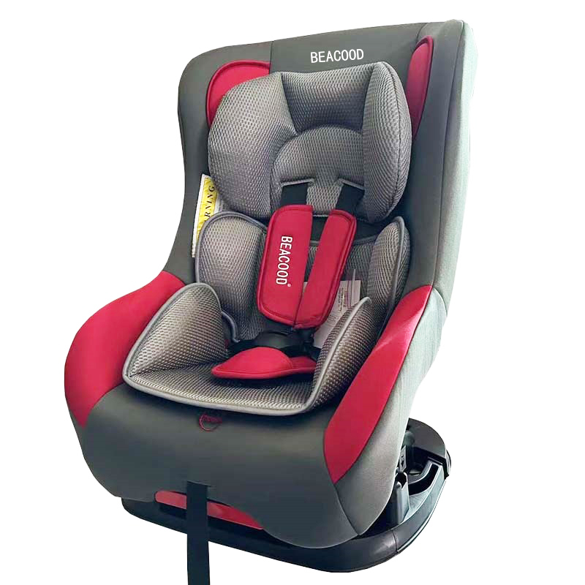 | 2 PCS | 160 | 46 | 44 | 88 | 7.9 | 9.8 | 0+,I,II | 40X43X61 | 3个安全带插槽，可调节以适应儿童身高,五点式安全带，可躺可坐，通用车型安全带固定 | 20 CTN | 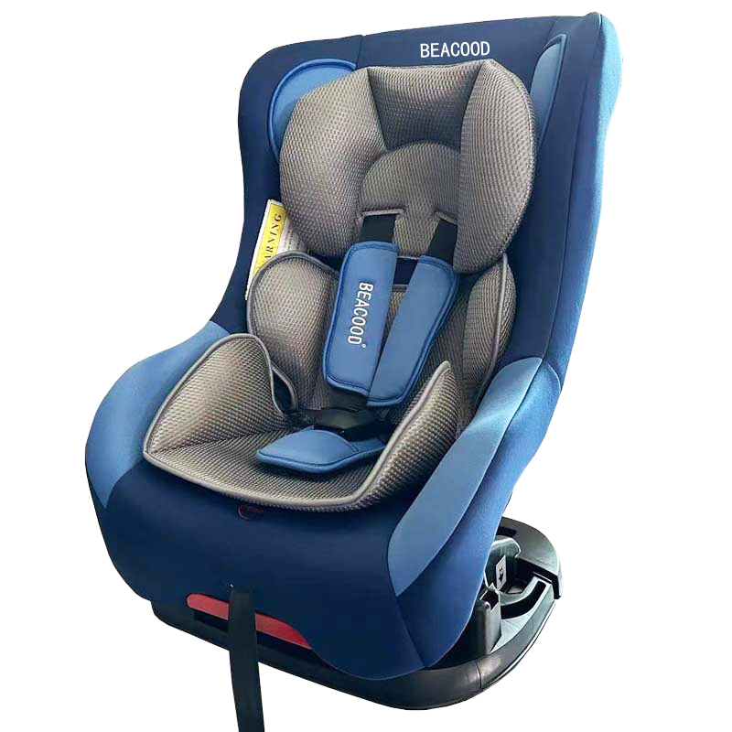 |  |  |  |  | 6982156110519
 |  |  |  | 0.178112 |  |  |  |  |  |  | 3 safety belt slots, adjustable to fit the height of children, five-point seat belt, can be laid or seated, universal vehicle seat belt fastener
901 | 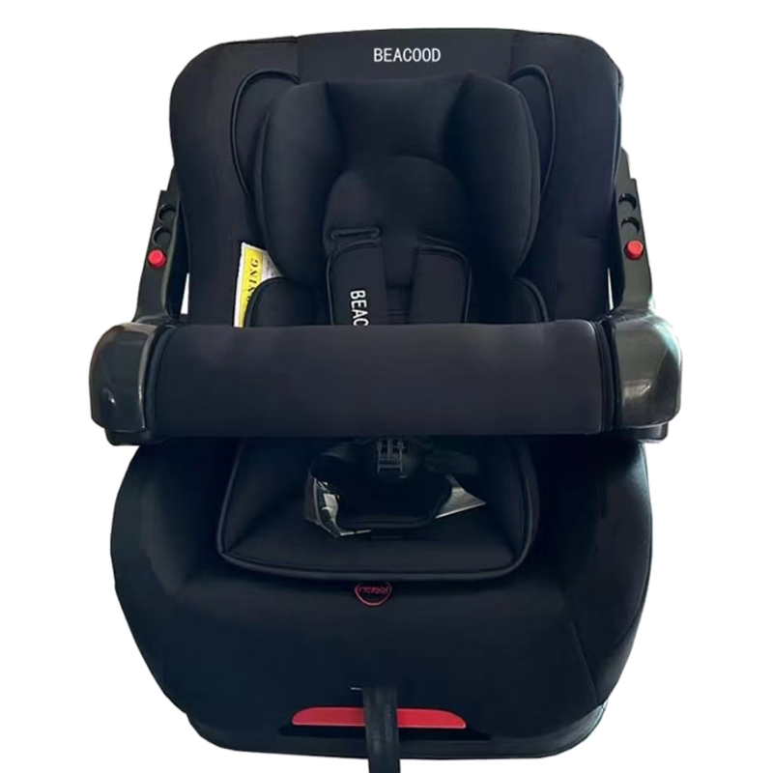 | 2 PCS | 175 | 51 | 46 | 88 | 9.5 | 11.9 | 0+,I,II | 40X49X62 | 3个安全带插槽，可调节以适应儿童身高,五点式安全带，可躺可坐，可调节扶手，通用车型安全带固定 | 20 CTN | 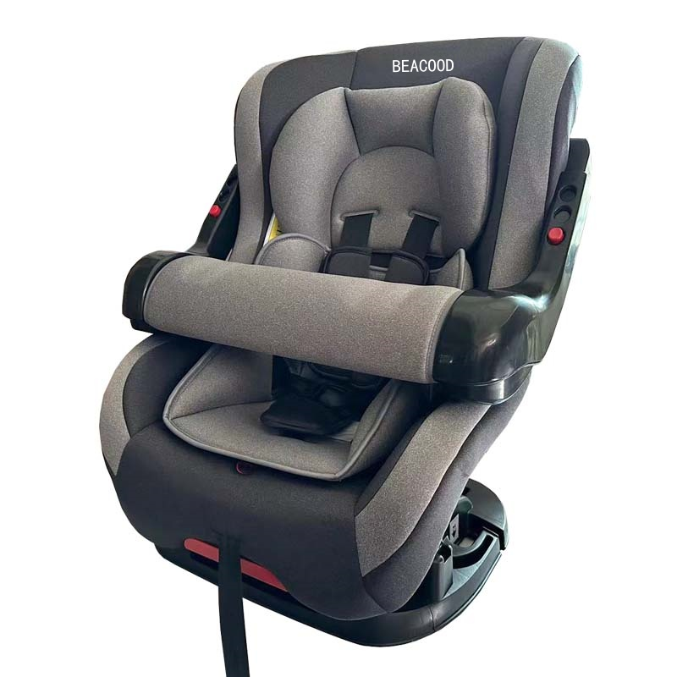 | 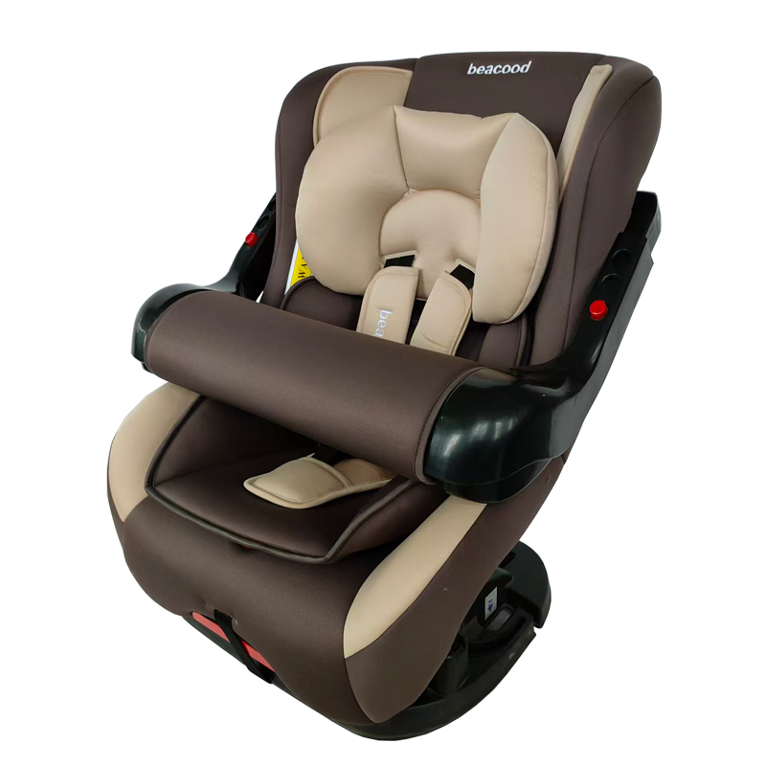 | 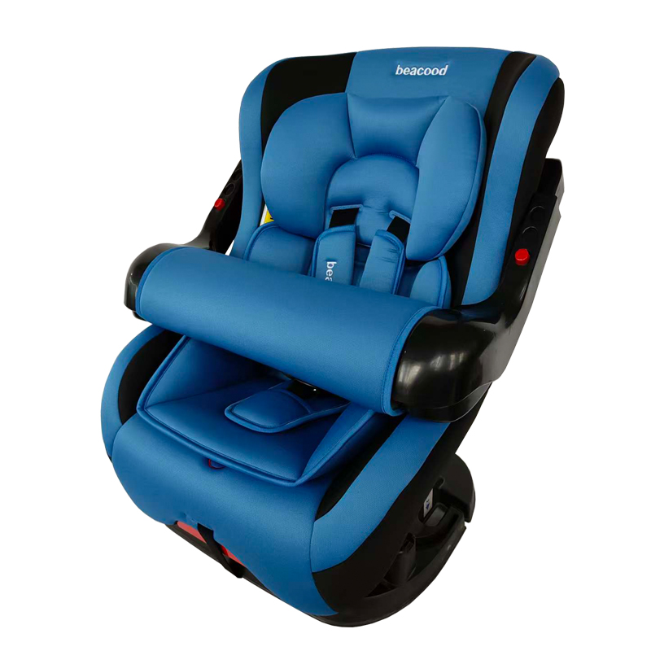 | 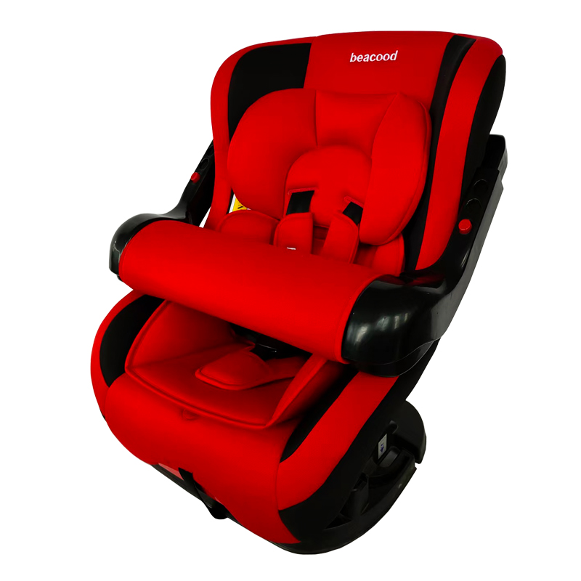 | 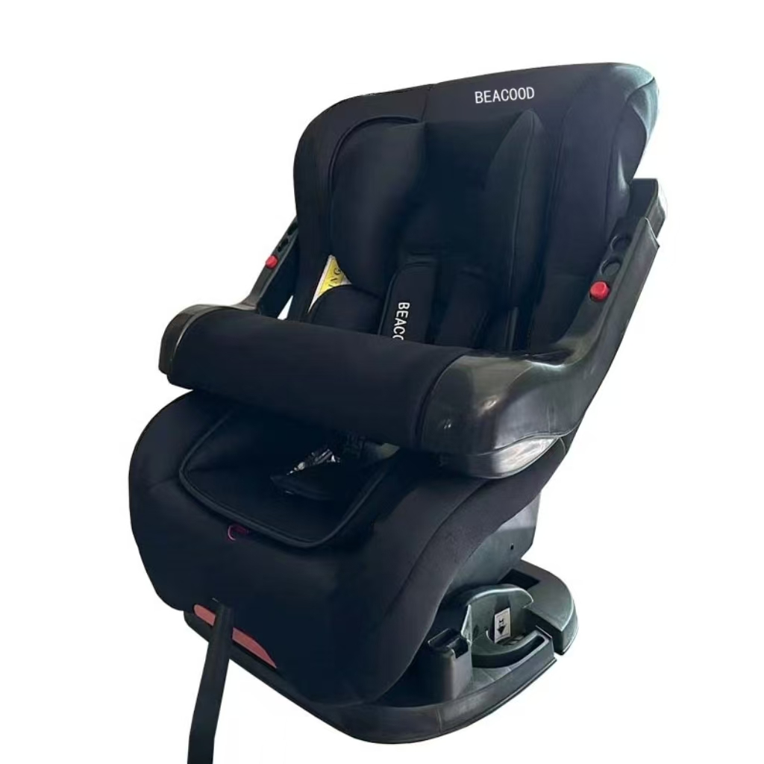 | 6982159988160
 |  |  |  | 0.206448 |  |  |  |  |  |  | 3 safety belt slots, adjustable to fit the height of children, five-point seat belt, can be laid or seated, adjustable armrests, universal vehicle seat belt fastener
901 Mesh Pillow | 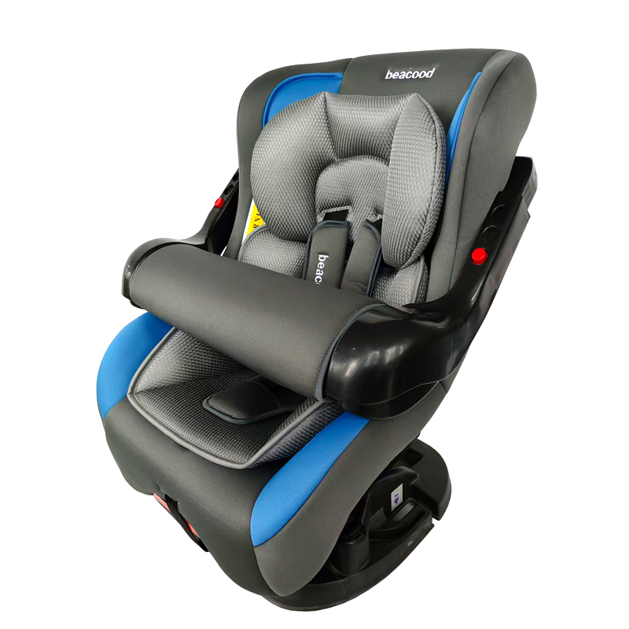 | 2 PCS | 175 | 51 | 46 | 88 | 9.5 | 11.9 | 0+,I,II | 40X49X62 | 3个安全带插槽，可调节以适应儿童身高,五点式安全带，可躺可坐，可调节扶手，通用车型安全带固定 | 20 CTN | 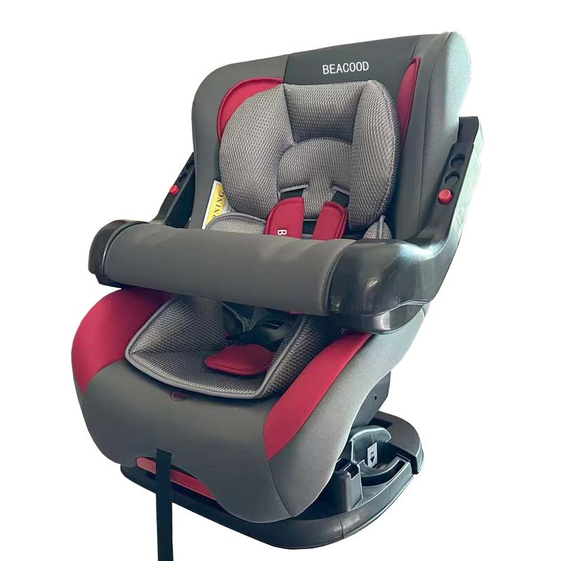 |  |  |  |  | 6982159988160
 |  |  |  | 0.206448 |  |  |  |  |  |  | 3 safety belt slots, adjustable to fit the height of children, five-point seat belt, can be laid or seated, adjustable armrests, universal vehicle seat belt fastener
901pro | 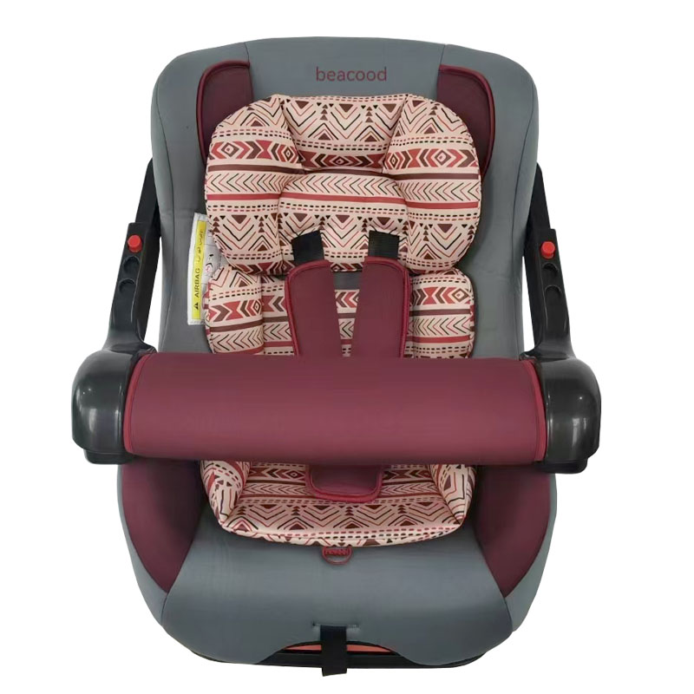 | 2 PCS | 185 | 51 | 46 | 88 | 9.5 | 11.9 | 0+,I,II | 40X49X62 | 3个安全带插槽，可调节以适应儿童身高,五点式安全带，可躺可坐，可调节扶手，通用车型安全带固定 | 20 CTN | 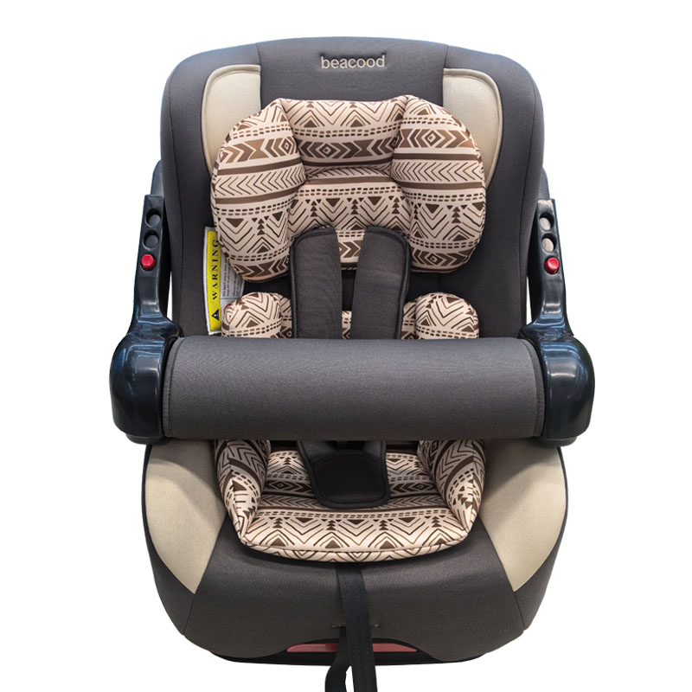 | 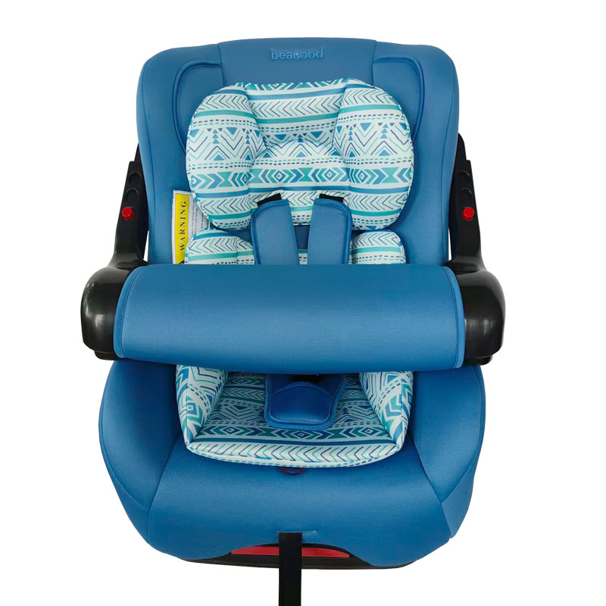 |  |  |  | 698215908517
 |  |  |  | 0.206448 |  |  |  |  |  |  | 3 safety belt slots, adjustable to fit the height of children, five-point seat belt, can be laid or seated, adjustable armrests, universal vehicle seat belt fastener
903 | 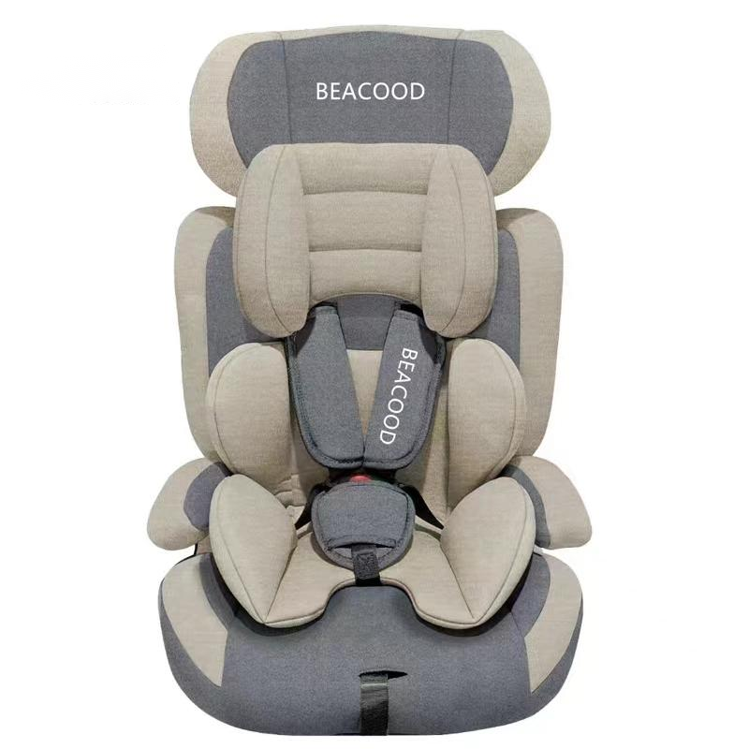 | 2 PCS | 160 | 42 | 40 | 74 | 7.5 | 9 | I,II,III | 42X40X74 | 五点式安全带，头枕可调节，可拆卸转换成增高垫模式，通用车型安全带固定 | 20 CTN |  |  |  |  |  | 6932875089726
 |  |  |  | 0.12432 |  |  |  |  |  |  | Five-point seat belt, adjustable headrest, detachable and convertible to a heightening pad mode, universal vehicle seat belt fastener
BCWE05 | 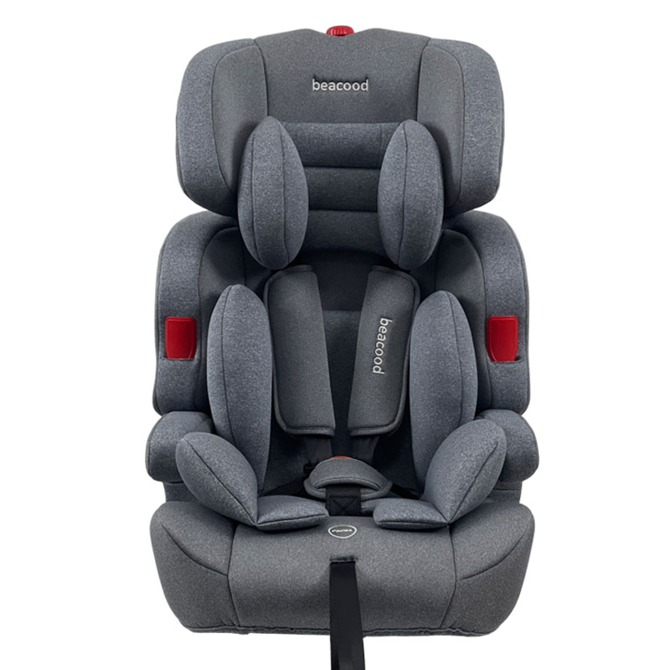 | 2 PCS | 160 | 42 | 40 | 74 | 7.5 | 9 | I,II,III |  | 五点式安全带，头枕可调节，可拆卸转换成增高垫模式，通用车型安全带固定 | 20 CTN | 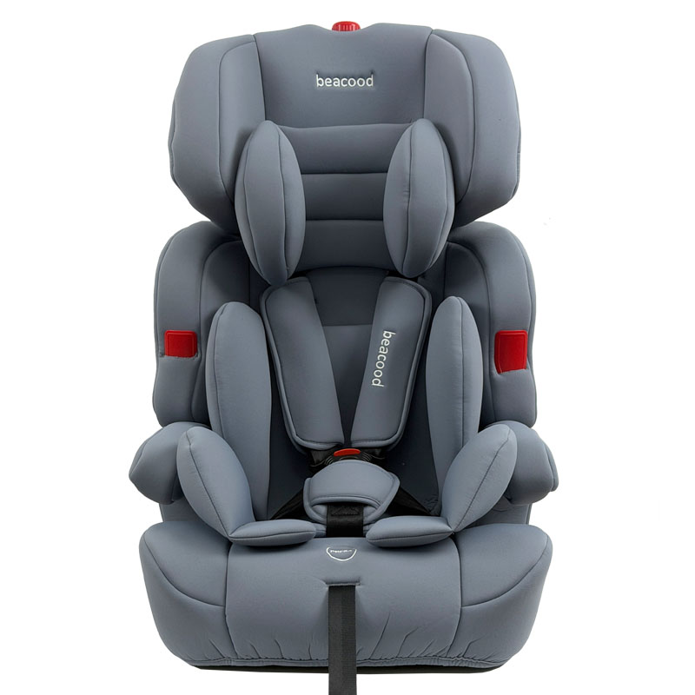 |  |  |  |  | 6932875089726
 |  |  |  | 0.12432 |  |  |  |  |  |  | Five-point seat belt, adjustable headrest, detachable and convertible to a heightening pad mode, universal vehicle seat belt fastener
BCWG08 | 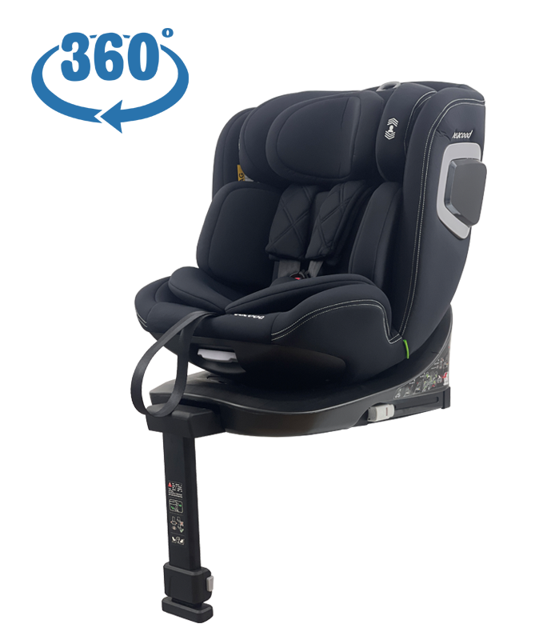 | 1 PCS | 520 | 55 | 45 | 58.5 | 14 | 15 | 0+,I,II,III | 50X43X61 | 360°旋转功能 ，带支撑腿 ，可调节头枕，可躺可坐，通用车型安全带固定 + ISOFIX接口 | 20 CTN | 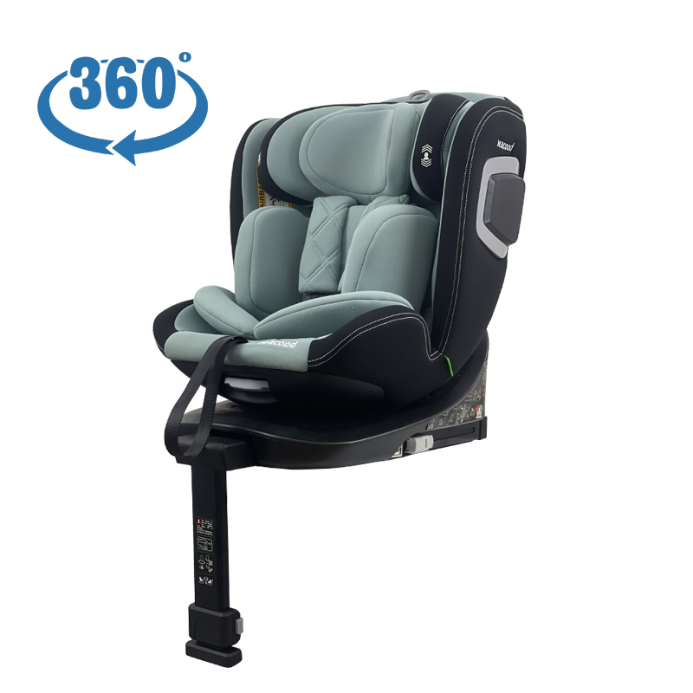 |  |  |  |  | 6801561129551
 |  |  |  | 0.1447875 |  |  |  |  |  |  | 360° rotation function, with supporting legs, adjustable headrest, can lie down or sit, universal vehicle seat belt fixation + ISOFIX interface
906 | 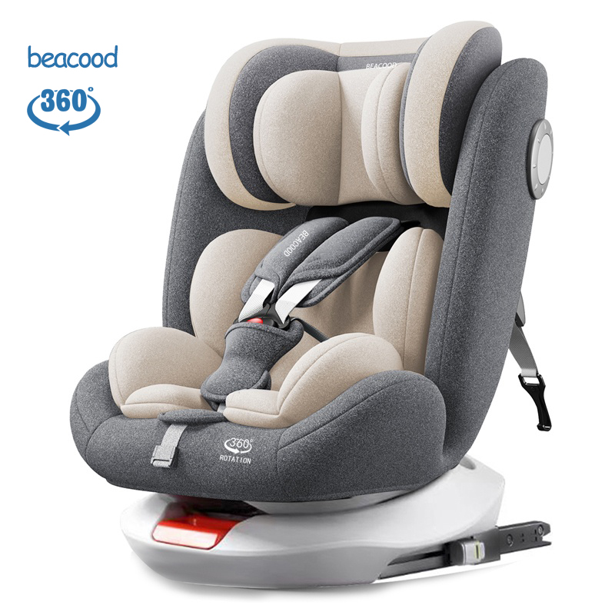 | 2 PCS | 330 | 52 | 47 | 81 | 16.6 | 18.4 | 0+,I,II,III | 42X44X62 | 360°旋转功能 ，可调节头枕，可躺可坐，通用车型安全带固定 + ISOFIX接口+LATCH接口 | 20 CTN | 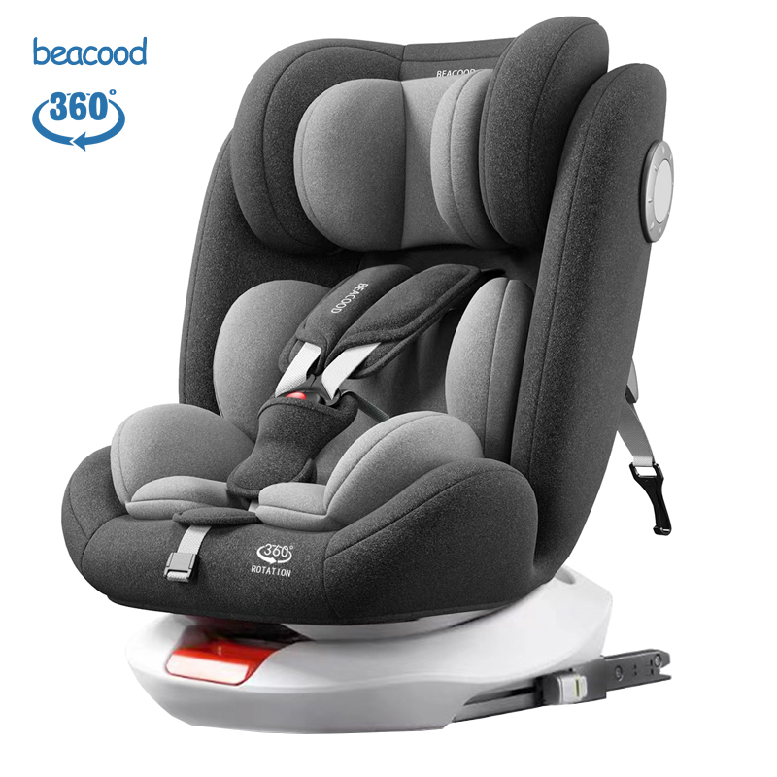 | 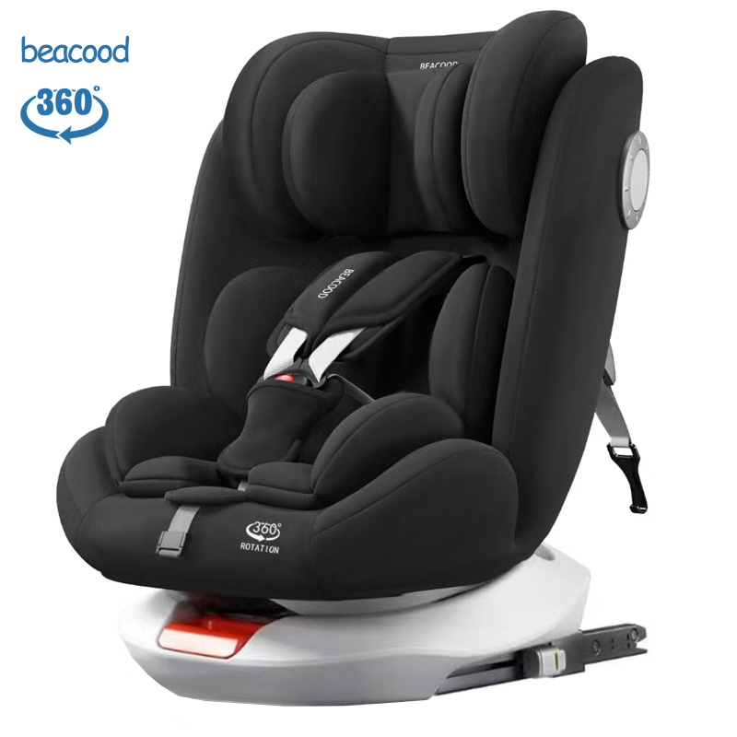 |  |  |  | 6932875129521
 |  |  |  | 0.197964 |  |  |  |  |  |  | 360° rotation function, adjustable headrest, can lie down or sit, universal vehicle seat belt fixation + ISOFIX interface + LATCH interface
BCHB331Pro | 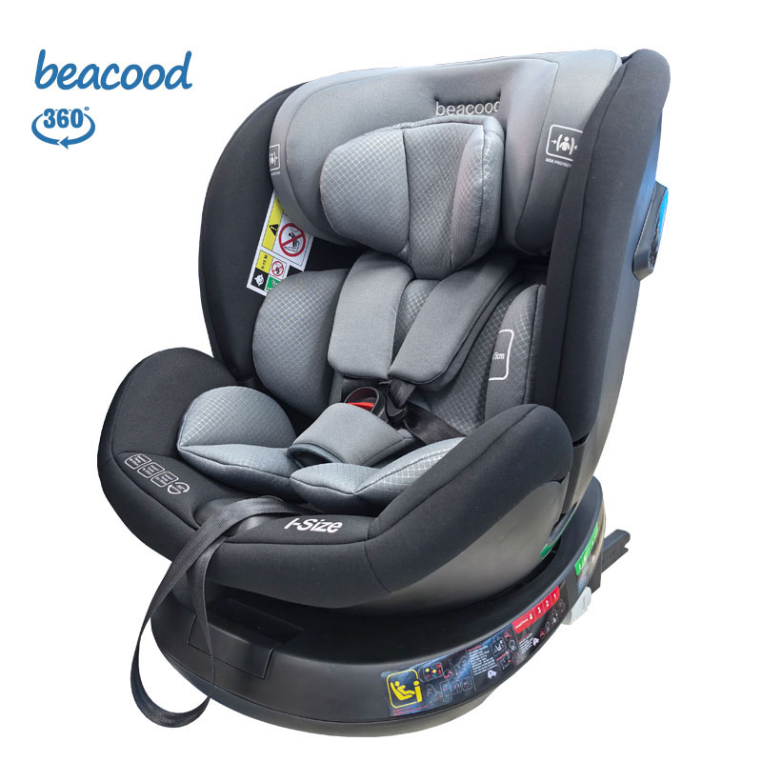 | 2 PCS | 420 | 51 | 46 | 59 | 11 | 12.5 | 0+,I,II,III |  | 360°旋转功能 ，可调节头枕，可躺可坐，通用车型安全带固定 + ISOFIX接口+LATCH接口 | 20 CTN
 |  |  |  | 0.138414 |  |  |  |  |  |  | 360° rotation function, adjustable headrest, can lie down or sit, universal vehicle seat belt fixation + ISOFIX interface + LATCH interface
9206 | 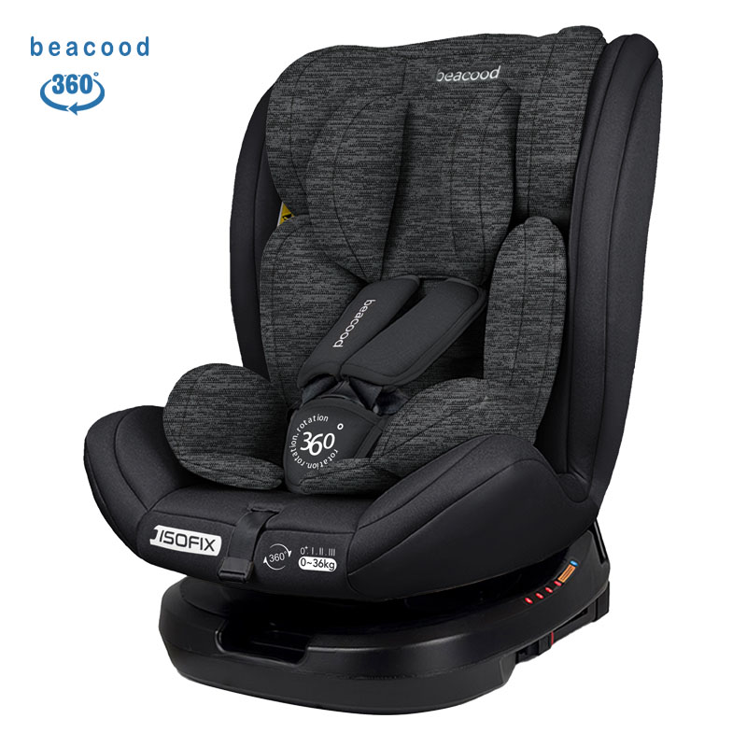 | 2 PCS | 310 | 49 | 45 | 88 | 15.6 | 17.4 | 0+,I,II,III |  | 360°旋转功能 ，可调节头枕，可躺可坐，通用车型安全带固定 + ISOFIX接口+LATCH接口 | 20 CTN | 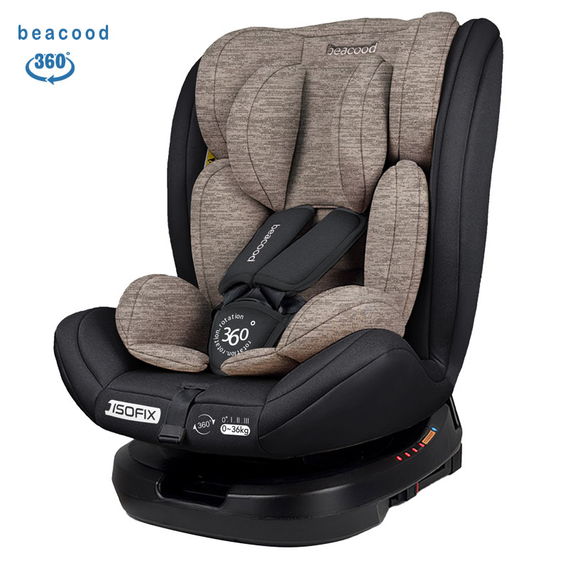 | 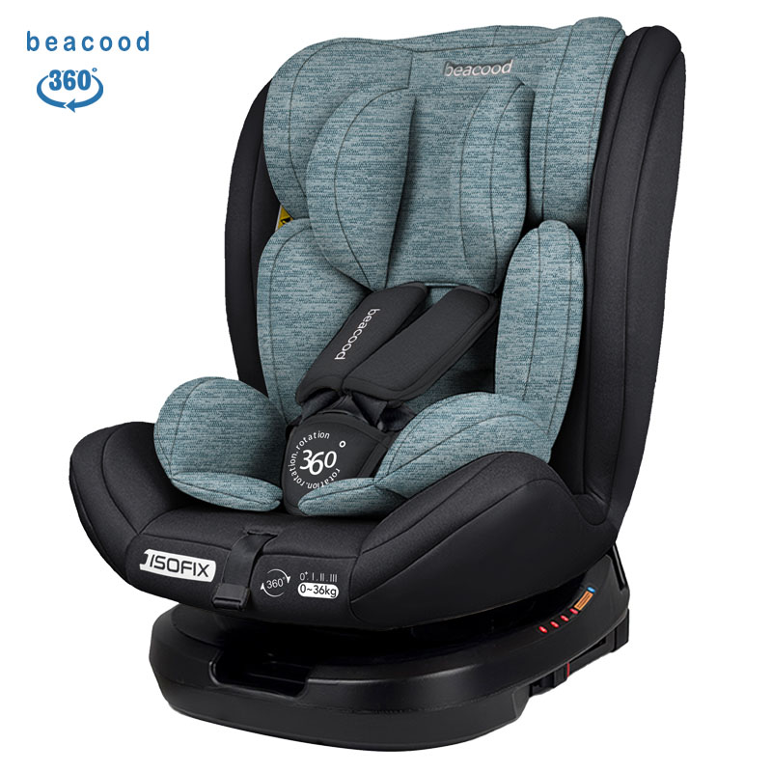 |  |  |  | 6910899932563
 |  |  |  | 0.19404 |  |  |  |  |  |  | 360° rotation function, adjustable headrest, can lie down or sit, universal vehicle seat belt fixation + ISOFIX interface + LATCH interface
9207 | 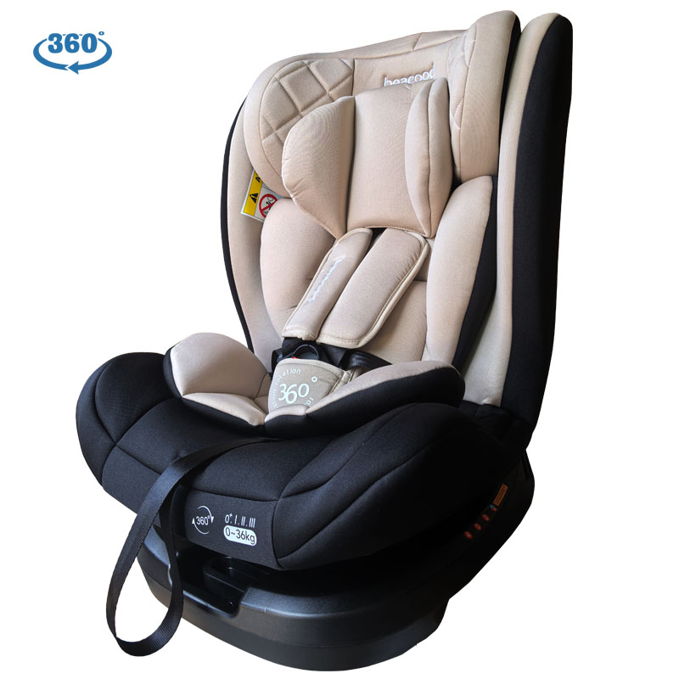 | 2 PCS | 265 | 49 | 45 | 88 | 13.6 | 15 | 0+,I,II,III |  | 360°旋转功能 ，可调节头枕，可躺可坐，通用车型安全带固定 | 20 CTN | 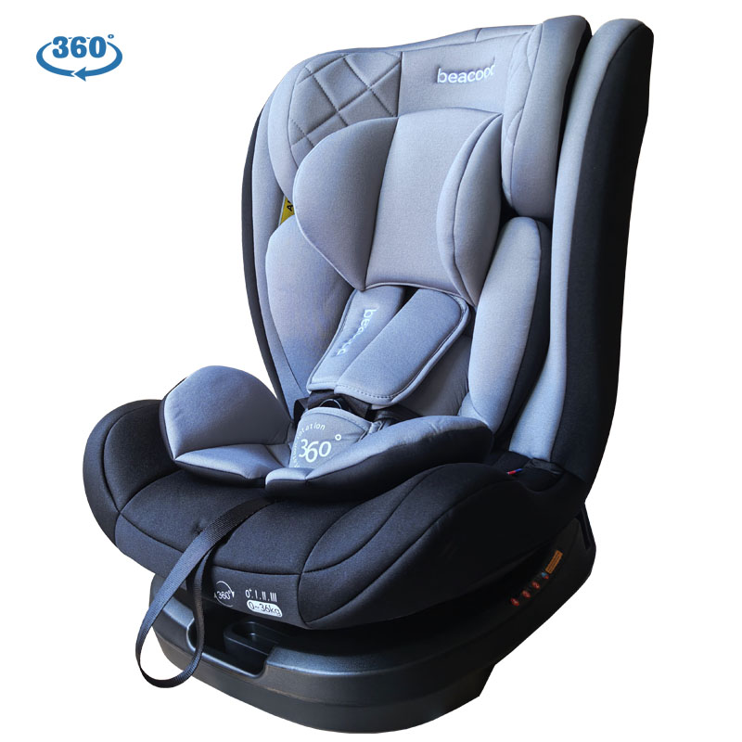 |  | 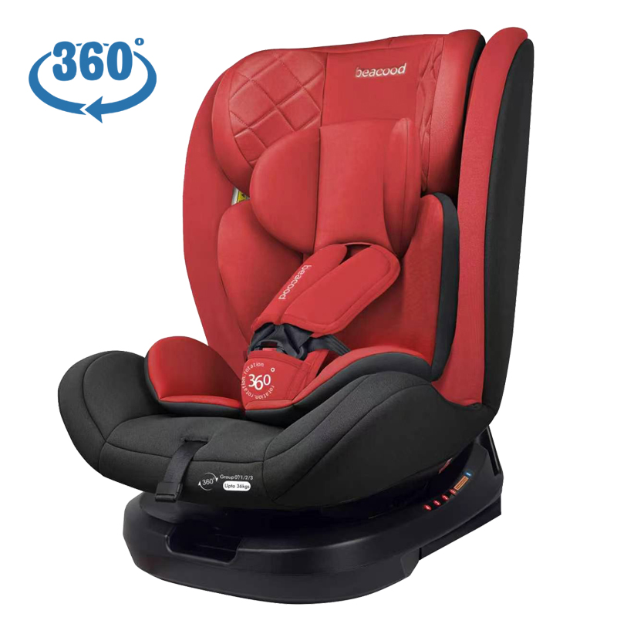 |  |  | 6910899932570
 |  |  |  | 0.19404 |  |  |  |  |  |  | 360° rotation function, adjustable headrest, can lie down or sit, universal vehicle seat belt fixation
9202 |  | 2 PCS | 240 | 52.5 | 45.5 | 78.5 | 13.5 | 14.5 | 0+,I,II,III | 42X42X63 | 可躺可坐，可调节头枕，通用车型安全带固定 | 20 CTN |  | 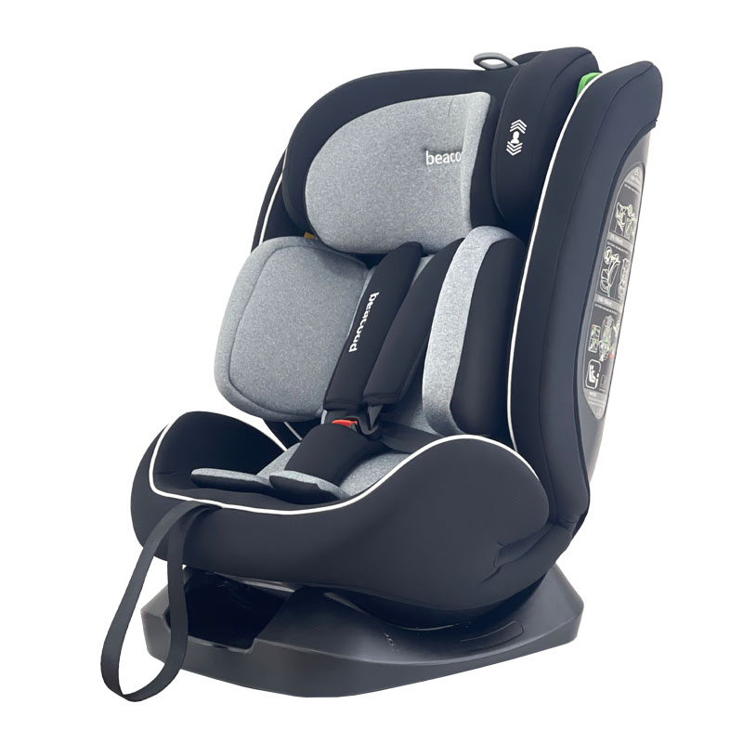 |  |  |  | 6901658219650
 |  |  |  | 0.187516875 |  |  |  |  |  |  | Can be used in either a lying or sitting position, has an adjustable headrest, and is compatible with universal seat belt fastening.
BCWG08 With ventilation | 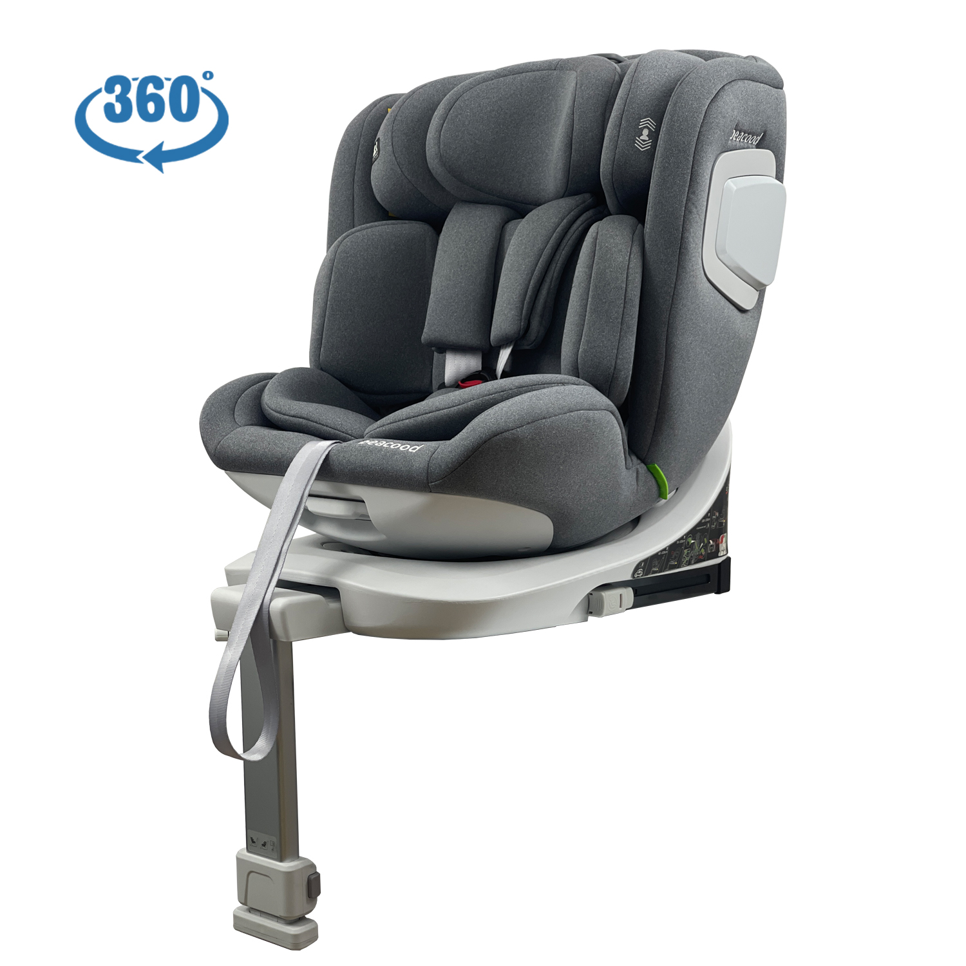 | 1 PCS | 535 | 55 | 45 | 58.5 | 14 | 15 | 0+,I,II,III | 50X43X61 | 360°旋转功能 ，带支撑腿 ，可调节头枕，可躺可坐，带通风，通用车型安全带固定 + ISOFIX接口 | 20 CTN
 |  |  |  | 0.1447875 |  |  |  |  |  |  | 360° rotation function, with supporting legs, adjustable headrest, can lie down or sit, equipped with ventilation, universal vehicle seat belt fixation + ISOFIX interface
9201 | 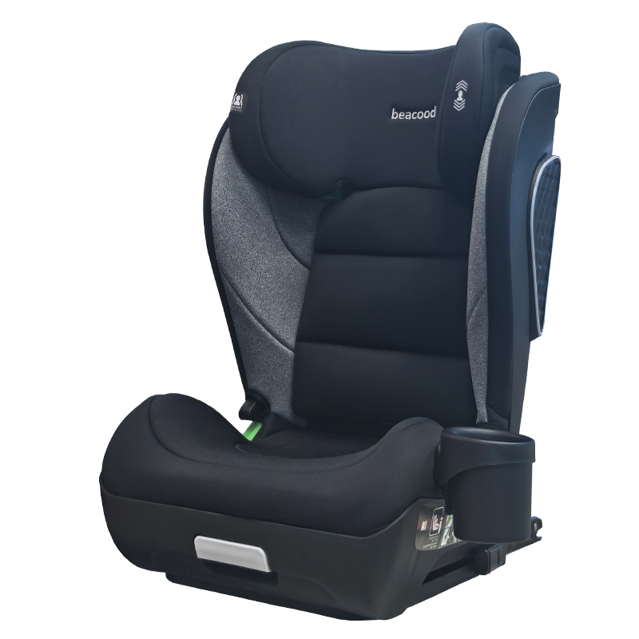 | 2 PCS | 255 | 75 | 43.5 | 50.5 | 14 | 15 | I,II,III | 40X45X59 | 可调节头枕，可调节座椅角度，带杯架，通用车型安全带固定+ISOFIX接口 | 20 CTN | 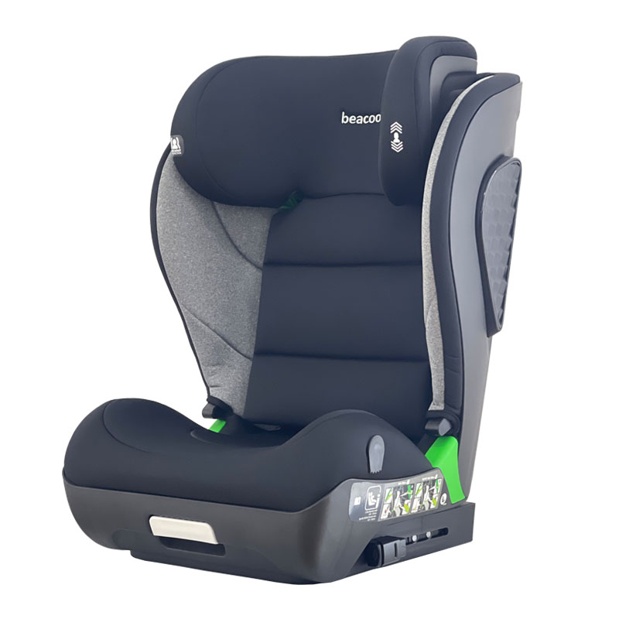 | 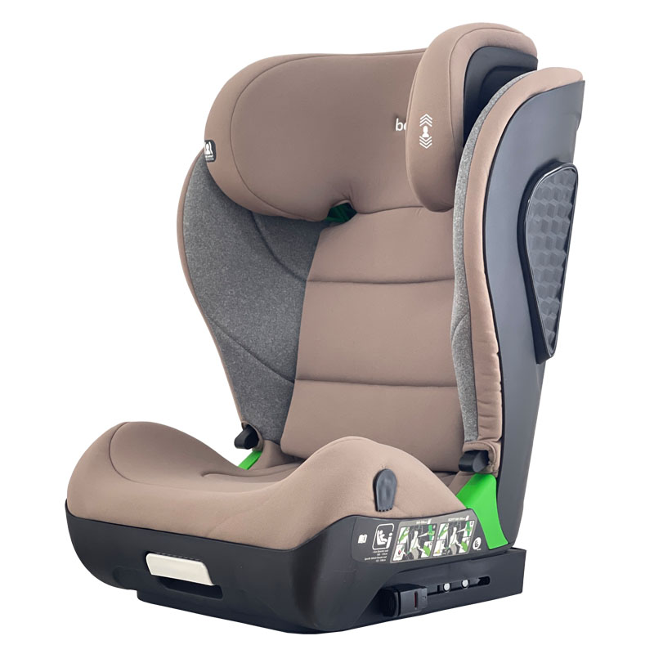 |  |  |  | 6922875951352
 |  |  |  | 0.16475625 |  |  |  |  |  |  | 360° rotation function, with supporting legs, adjustable headrest, can lie down or sit, equipped with ventilation, universal vehicle seat belt fixation + ISOFIX interface
9203 | 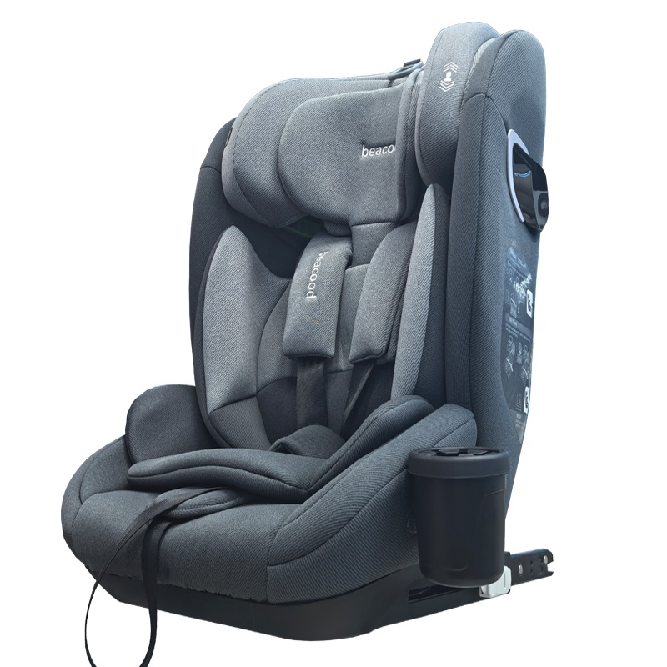 | 2 PCS | 270 | 50 | 45 | 69 | 17 | 18 | I,II,III | 42X44X58 | 可调节头枕，带杯架，五点式安全带，通用车型安全带固定+ISOFIX接口+LATCH接口，带杯架 | 20 CTN |  |  |  |  |  | 6925982156368
 |  |  |  | 0.15525 |  |  |  |  |  |  | Adjustable headrest, cup holder, five-point seat belt, universal vehicle seat belt anchor + ISOFIX interface + LATCH interface, with cup holder
BCHB699fix | 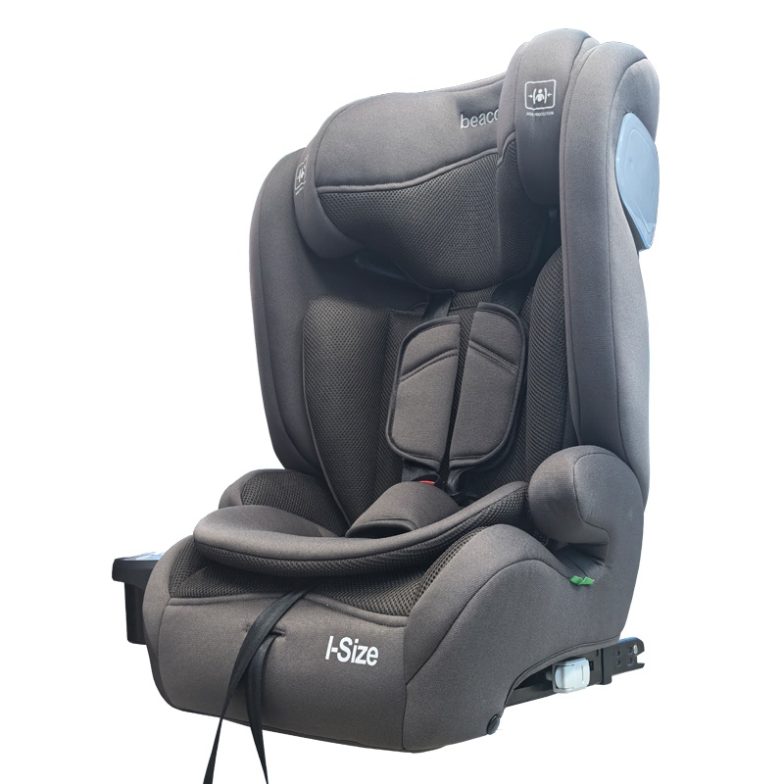 | 2 PCS | 270 | 50 | 46 | 71 | 14.2 | 16 | I,II,III | 38X45X60 | 可调节头枕，带杯架，五点式安全带，通用车型安全带固定+ISOFIX接口+LATCH接口，带杯架 | 20 CTN
 |  |  |  | 0.1633 |  |  |  |  |  |  | Adjustable headrest, cup holder, five-point seat belt, universal vehicle seat belt anchor + ISOFIX interface + LATCH interface, with cup holder
909 |  | 2 PCS | 158 | 44 | 41 | 82 | 9 | 11 | I,II,III |  | 五点式安全带，可拆卸转换成增高垫模式，通用车型安全带固定 | 20 CTN |  |  |  |  |  | 6982189898156
 |  |  |  | 0.147928 |  |  |  |  |  |  | Five-point seat belt, which can be detached and converted into a heightening pad mode, and is suitable for universal vehicle seat belt fixation.
BZ01 | 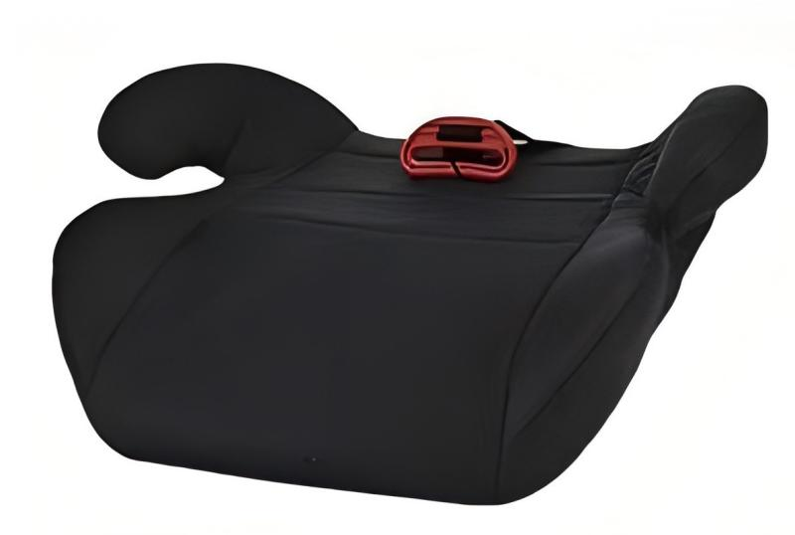 | 16 PCS | 37 | 69 | 79 | 39 |  | 16 | III | 36X39X16 | 儿童增高垫，适用于99%的车型 | 10 CTN
 |  |  |  | 0.212589 |  |  |  |  |  |  | Child heightening pad Applicable to 99% of vehicle models
BZ02 | 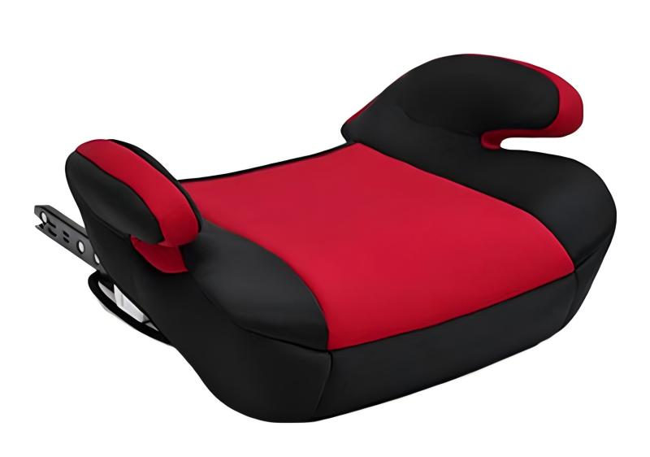 | 8 PCS | 88 | 74 | 46 | 68 |  | 15.5 | III |  | 儿童增高垫，适用于99%的车型+ISOFIX接口 | 10 CTN |  | 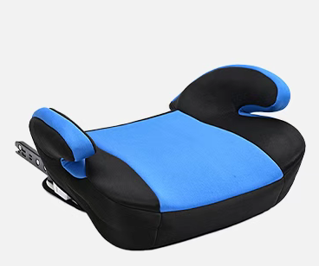 | 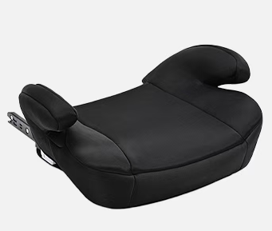
 |  |  |  | 0.231472 |  |  |  |  |  |  | Child heightening pad, suitable for 99% of vehicle models + ISOFIX interface
BZ03 |  | 8 PCS | 130 | 74 | 46 | 68 |  | 19 | III | 35X45X28 | 儿童增高垫，带靠背，适用于99%的车型+ISOFIX接口 | 10 CTN | 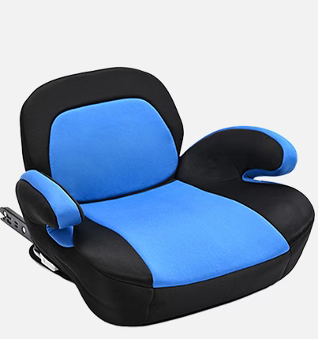 | 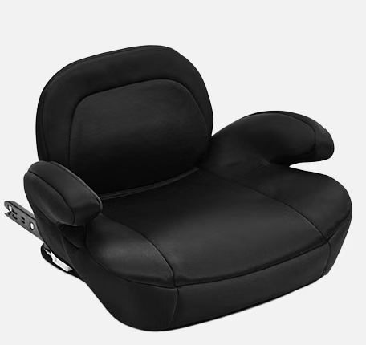 | 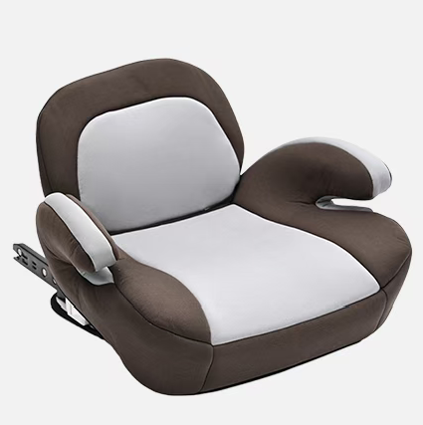
 |  |  |  | 0.231472 |  |  |  |  |  |  | Child heightening pad, with backrest, suitable for 99% of vehicle models + ISOFIX interface
BCWG14 | 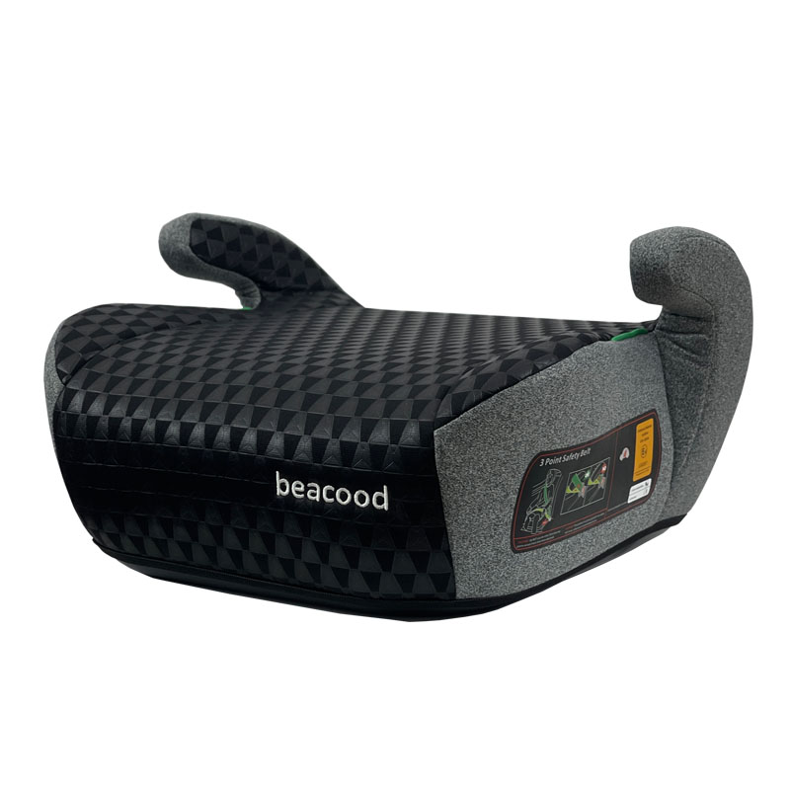 | 8 PCS | 40 | 78 | 36 | 66 | 7.2 | 8 | III | 36X41X22 | 儿童增高垫，适用于99%的车型 | 10 CTN | 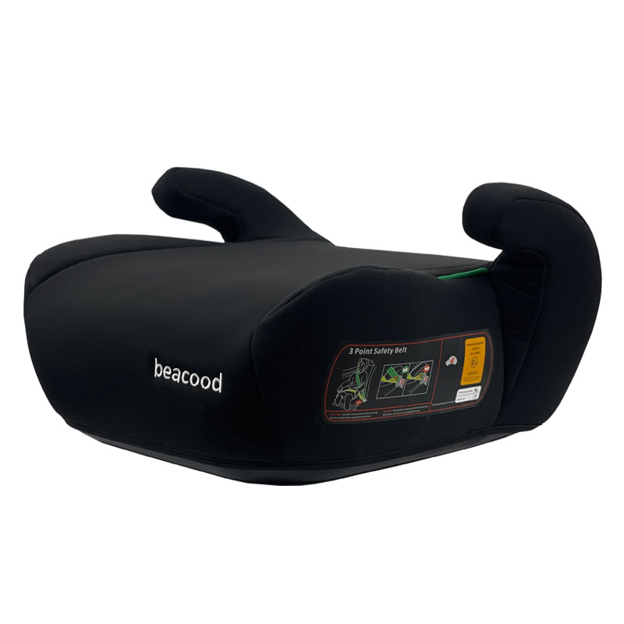 | 
 |  |  |  | 0.185328 |  |  |  |  |  |  | Child heightening pad Applicable to 99% of vehicle models
BCWG15 |  | 8 PCS | 85 | 78 | 36 | 66 | 16.8 | 18 | III | 36X41X22 | 儿童增高垫，适用于99%的车型+ISOFIX接口 | 10 CTN |  | 
 |  |  |  | 0.185328 |  |  |  |  |  |  | Child heightening pad, suitable for 99% of vehicle models + ISOFIX interface
9106 |  | 1 PCS | 335 | 70 | 44 | 35 | 5.5 | 6.9 | 0+ | 67.6X43.6X60.1 | 通用车型安全带固定 | 50 CTN |  | 
 |  |  |  | 0.1078 |  |  |  |  |  |  | Standard vehicle seat belt fastening
9110 |  | 1 PCS | 645 | 70 | 44 | 35 |  |  |  |  | 多角度调节，通用车型安全带固定+ISOFIX接口 | 50 CTN |  |  | 
 |  |  |  | 0.1078 |  |  |  |  |  |  | Multi-angle adjustment, universal vehicle seat belt fastening + ISOFIX interface
BCHB819 |  | 4 PCS | 180 | 74 | 44 | 88 | 13.2 | 15.9 | 0+ |  | 可调节头枕，通用车型安全带固定 | 10 CTN |  | 
 |  |  |  | 0.286528 |  |  |  |  |  |  | Adjustable headrest, universal vehicle seat belt fastener
M7 |  | 4 PCS | 175 | 71 | 41 | 80 | 13.5 | 15.7 | 0+ | 66X35X55 | 通用车型安全带固定 | 10 CTN
 |  |  |  | 0.23288 |  |  |  |  |  |  | Standard vehicle seat belt fastening
M7Pro |  | 4 PCS | 185 | 71 | 41 | 80 | 13.5 | 15.7 | 0+ | 66X35X55 | 通用车型安全带固定 | 10 CTN |  |  | 
 |  |  |  | 0.23288 |  |  |  |  |  |  | Standard vehicle seat belt fastening
5B |  | 6 PCS | 74 | 70 | 44 | 79 | 9.2 | 11.2 | 0+ | 65X35X55 | 通用车型安全带固定 | 10 CTN |  |  | 
 |  |  |  | 0.24332 |  |  |  |  |  |  | Standard vehicle seat belt fastening
620-1 |  | 6 PCS | 80 | 70 | 44 | 79 | 9.2 | 11.2 | 0+ | 65X35X55 | 通用车型安全带固定 | 10 CTN
 |  |  |  | 0.24332 |  |  |  |  |  |  | Standard vehicle seat belt fastening
621 |  | 6 PCS | 90 | 77 | 45 | 87 | 14.8 | 16.8 | 0+ | 65X35X55 | 通用车型安全带固定 | 10 CTN | 
 |  |  |  | 0.301455 |  |  |  |  |  |  | Standard vehicle seat belt fastening
622 |  | 6 PCS | 82 | 68 | 44 | 82 | 13.2 | 15.2 | 0+ | 65X35X50 | 通用车型安全带固定 | 10 CTN |  |  | 
 |  |  |  | 0.245344 |  |  |  |  |  |  | Standard vehicle seat belt fastening
623 |  | 6 PCS | 77 | 68 | 44 | 82 | 13.2 | 15.2 | 0+ | 65X35X50 | 通用车型安全带固定 | 10 CTN |  | 
 |  |  |  | 0.245344 |  |  |  |  |  |  | Standard vehicle seat belt fastening
625 |  | 6 PCS | 85 | 68 | 44 | 82 | 13.2 | 15.2 | 0+ | 65X35X50 | 通用车型安全带固定 | 10 CTN |  | 
 |  |  |  | 0.245344 |  |  |  |  |  |  | Standard vehicle seat belt fastening
626 |  | 4 PCS | 145 | 72 | 45 | 75 | 11.2 | 13.2 | 0+ | 66X34X55 | 铝合金手柄，通用车型安全带固定 | 10 CTN |  | 
 |  |  |  | 0.243 |  |  |  |  |  |  | Aluminum alloy handle, universal vehicle seat belt fastener
627 |  | 6 PCS | 95 | 68 | 44 | 82 | 13.2 | 15.2 | 0+ | 65X35X50 | 通用车型安全带固定 | 10 CTN |  |  | 
 |  |  |  | 0.245344 |  |  |  |  |  |  | Standard vehicle seat belt fastening
628 |  | 6 PCS | 98 | 68 | 44 | 82 | 13.2 | 15.2 | 0+ | 65X35X50 | 通用车型安全带固定 | 10 CTN |  | 
 |  |  |  | 0.245344 |  |  |  |  |  |  | Standard vehicle seat belt fastening
629 |  | 6 PCS | 88 | 68 | 44 | 82 | 13.2 | 15.2 | 0+ | 65X35X55 | 通用车型安全带固定 | 10 CTN |  | 
 |  |  |  | 0.245344 |  |  |  |  |  |  | Standard vehicle seat belt fastening
828 |  | 6 PCS | 98 | 74 | 44 | 88 | 16 | 18 | 0+ | 70X39.5X52 | 通用车型安全带固定 | 10 CTN
 |  |  |  | 0.286528 |  |  |  |  |  |  | Standard vehicle seat belt fastening

 |  |  |  | 0

 |  |  |  | 0

 |  |  |  | 0

